Data
Start Time | Stop Time | Number of alarms | Alarms/min | % | Number of alarms | 736 |  | Max alarm rate | 105 | / 10min
02/11/2023 12:00 | 02/11/2023 12:10 | 15 | 1.50 | 2.04% | Average alarm rate during steady state | 0.00 | / 10min
02/11/2023 12:10 | 02/11/2023 12:20 | 13 | 1.30 | 1.77%
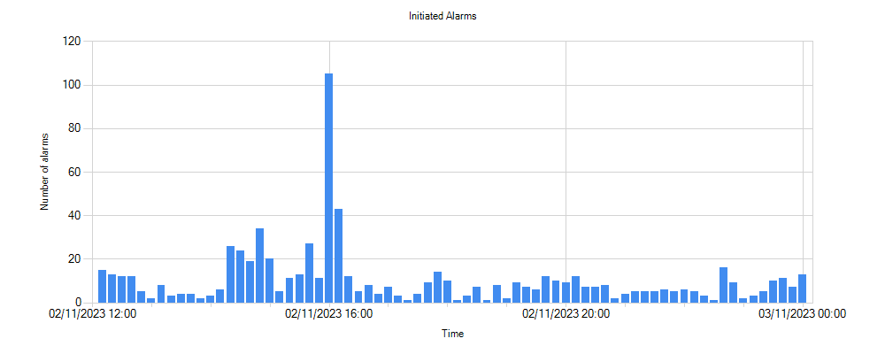
02/11/2023 12:20 | 02/11/2023 12:30 | 12 | 1.20 | 1.63%
02/11/2023 12:30 | 02/11/2023 12:40 | 12 | 1.20 | 1.63%
02/11/2023 12:40 | 02/11/2023 12:50 | 5 | 0.50 | 0.68%
02/11/2023 12:50 | 02/11/2023 13:00 | 2 | 0.20 | 0.27%
02/11/2023 13:00 | 02/11/2023 13:10 | 8 | 0.80 | 1.09%
02/11/2023 13:10 | 02/11/2023 13:20 | 3 | 0.30 | 0.41%
02/11/2023 13:20 | 02/11/2023 13:30 | 4 | 0.40 | 0.54%
02/11/2023 13:30 | 02/11/2023 13:40 | 4 | 0.40 | 0.54%
02/11/2023 13:40 | 02/11/2023 13:50 | 2 | 0.20 | 0.27%
02/11/2023 13:50 | 02/11/2023 14:00 | 3 | 0.30 | 0.41%
02/11/2023 14:00 | 02/11/2023 14:10 | 6 | 0.60 | 0.82%
02/11/2023 14:10 | 02/11/2023 14:20 | 26 | 2.60 | 3.53%
02/11/2023 14:20 | 02/11/2023 14:30 | 24 | 2.40 | 3.26%
02/11/2023 14:30 | 02/11/2023 14:40 | 19 | 1.90 | 2.58%
02/11/2023 14:40 | 02/11/2023 14:50 | 34 | 3.40 | 4.62%
02/11/2023 14:50 | 02/11/2023 15:00 | 20 | 2.00 | 2.72%
02/11/2023 15:00 | 02/11/2023 15:10 | 5 | 0.50 | 0.68%
02/11/2023 15:10 | 02/11/2023 15:20 | 11 | 1.10 | 1.49%
02/11/2023 15:20 | 02/11/2023 15:30 | 13 | 1.30 | 1.77%
02/11/2023 15:30 | 02/11/2023 15:40 | 27 | 2.70 | 3.67%
02/11/2023 15:40 | 02/11/2023 15:50 | 11 | 1.10 | 1.49%
02/11/2023 15:50 | 02/11/2023 16:00 | 105 | 10.50 | 14.27%
02/11/2023 16:00 | 02/11/2023 16:10 | 43 | 4.30 | 5.84%
02/11/2023 16:10 | 02/11/2023 16:20 | 12 | 1.20 | 1.63%
02/11/2023 16:20 | 02/11/2023 16:30 | 5 | 0.50 | 0.68%
02/11/2023 16:30 | 02/11/2023 16:40 | 8 | 0.80 | 1.09%
02/11/2023 16:40 | 02/11/2023 16:50 | 4 | 0.40 | 0.54%
02/11/2023 16:50 | 02/11/2023 17:00 | 7 | 0.70 | 0.95%
02/11/2023 17:00 | 02/11/2023 17:10 | 3 | 0.30 | 0.41%
02/11/2023 17:10 | 02/11/2023 17:20 | 1 | 0.10 | 0.14%
02/11/2023 17:20 | 02/11/2023 17:30 | 4 | 0.40 | 0.54%
02/11/2023 17:30 | 02/11/2023 17:40 | 9 | 0.90 | 1.22%
02/11/2023 17:40 | 02/11/2023 17:50 | 14 | 1.40 | 1.90%
02/11/2023 17:50 | 02/11/2023 18:00 | 10 | 1.00 | 1.36%
02/11/2023 18:00 | 02/11/2023 18:10 | 1 | 0.10 | 0.14%
02/11/2023 18:10 | 02/11/2023 18:20 | 3 | 0.30 | 0.41%
02/11/2023 18:20 | 02/11/2023 18:30 | 7 | 0.70 | 0.95%
02/11/2023 18:30 | 02/11/2023 18:40 | 1 | 0.10 | 0.14%
02/11/2023 18:40 | 02/11/2023 18:50 | 8 | 0.80 | 1.09%
02/11/2023 18:50 | 02/11/2023 19:00 | 2 | 0.20 | 0.27%
02/11/2023 19:00 | 02/11/2023 19:10 | 9 | 0.90 | 1.22%
02/11/2023 19:10 | 02/11/2023 19:20 | 7 | 0.70 | 0.95%
02/11/2023 19:20 | 02/11/2023 19:30 | 6 | 0.60 | 0.82%
02/11/2023 19:30 | 02/11/2023 19:40 | 12 | 1.20 | 1.63%
02/11/2023 19:40 | 02/11/2023 19:50 | 10 | 1.00 | 1.36%
02/11/2023 19:50 | 02/11/2023 20:00 | 9 | 0.90 | 1.22%
02/11/2023 20:00 | 02/11/2023 20:10 | 12 | 1.20 | 1.63%
02/11/2023 20:10 | 02/11/2023 20:20 | 7 | 0.70 | 0.95%
02/11/2023 20:20 | 02/11/2023 20:30 | 7 | 0.70 | 0.95%
02/11/2023 20:30 | 02/11/2023 20:40 | 8 | 0.80 | 1.09%
02/11/2023 20:40 | 02/11/2023 20:50 | 2 | 0.20 | 0.27%
02/11/2023 20:50 | 02/11/2023 21:00 | 4 | 0.40 | 0.54%
02/11/2023 21:00 | 02/11/2023 21:10 | 5 | 0.50 | 0.68%
02/11/2023 21:10 | 02/11/2023 21:20 | 5 | 0.50 | 0.68%
02/11/2023 21:20 | 02/11/2023 21:30 | 5 | 0.50 | 0.68%
02/11/2023 21:30 | 02/11/2023 21:40 | 6 | 0.60 | 0.82%
02/11/2023 21:40 | 02/11/2023 21:50 | 5 | 0.50 | 0.68%
02/11/2023 21:50 | 02/11/2023 22:00 | 6 | 0.60 | 0.82%
02/11/2023 22:00 | 02/11/2023 22:10 | 5 | 0.50 | 0.68%
02/11/2023 22:10 | 02/11/2023 22:20 | 3 | 0.30 | 0.41%
02/11/2023 22:20 | 02/11/2023 22:30 | 1 | 0.10 | 0.14%
02/11/2023 22:30 | 02/11/2023 22:40 | 16 | 1.60 | 2.17%
02/11/2023 22:40 | 02/11/2023 22:50 | 9 | 0.90 | 1.22%
02/11/2023 22:50 | 02/11/2023 23:00 | 2 | 0.20 | 0.27%
02/11/2023 23:00 | 02/11/2023 23:10 | 3 | 0.30 | 0.41%
02/11/2023 23:10 | 02/11/2023 23:20 | 5 | 0.50 | 0.68%
02/11/2023 23:20 | 02/11/2023 23:30 | 10 | 1.00 | 1.36%
02/11/2023 23:30 | 02/11/2023 23:40 | 11 | 1.10 | 1.49%
02/11/2023 23:40 | 02/11/2023 23:50 | 7 | 0.70 | 0.95%
02/11/2023 23:50 | 03/11/2023 00:00 | 13 | 1.30 | 1.77%

